1.Concept (ExtraTreeClassifier)
 | »EXTRA TREE CLASSIFIERS |  | REFERENCE

 |  |  | ⇰REFERENCE (Website)-->Scikit Learn Regarding Thereotical & Conceptual Understanding of Extra Tree Classifiers

 |  |  | ⇰REFERENCE (Website)-->Scikit Learn Regarding Thereotical & Conceptual Understanding of Extra Tree Classifiers
①metaestimator (REFERENCE) =>(Girenz GitHub)⇒A meta-estimator in the context of machine learning refers to a specialized algorithm or method that is used to enhance the predictive performance of a model by combining or aggregating the predictions of multiple base estimators or models. | ⇰According to Scikit Learn Extra Tree Classifiers implements a meta estimator that fits a number of randomized decision trees (a.k.a. extra-trees) on various sub-samples of the dataset and uses averaging to improve the predictive accuracy and control over-fitting.

 | ⇰According to Geeks for Geeks Extremely Randomized Trees Classifier(Extra Trees Classifier) is a type of ensemble learning technique which aggregates the results of multiple de-correlated decision trees collected in a “forest” to output it’s classification result. In concept, it is very similar to a Random Forest Classifier and only differs from it in the manner of construction of the decision trees (Because Values Selection Based off Splitting of Root Node does create more generalized or Non Correlated Trees) in the forest. Each Decision Tree in the Extra Trees Forest is constructed from the original training sample. |  | ⇰REFERENCE (Website)-->Geeks for Geeks Regarding Thereotical & Conceptual Implementation of Extra Tree Classifiers | ⇰REFERENCE (Excel Sheet)-->2.11(ii) Extra Trees Classifiers Regarding Conceptual Understanding of Extra Trees Classifiers

①metaestimator (Reference Udemy)⇒boosting is technically a meta learning algorithm that can be applied to really any machine learning algorithm, not just the decision trees, but we'll see why decision trees are such a well-suited algorithm for boosting. | ◅NOTE (POINTS TO NOTE)
 | ⇰The Concept of Boosting is not actually a Machine Learning Algorithm, It is Methodology applied to an existing machine learning algorithm most commonly applied to Decision Tree .

 | ⇰However, it's most commonly applied to the Decision Tree because that's where it yields the best results & so often Boosting is actually referred to as Meta Learning instead of Machine Learning because really it's a process where you decide to insert any Machine Learning Algorithm.

 | ▣CONCEPTUAL UNDERSTANDING OF EXTRA TREE CLASSIFIERS |  | ⇰REFERENCE (Website)-->Scikit Learn Regarding Thereotical & Conceptual Understanding of Extra Tree Classifiers

 | ⇰Each tree is provided with a random sample of k features from the feature-set from which each decision tree must select the best feature to split the data based on some mathematical criteria (typically the Gini Index). This random sample of features leads to the creation of multiple de-correlated decision trees. To perform feature selection using the above forest structure, during the construction of the forest, for each feature, the normalized total reduction in the mathematical criteria used in the decision of feature of split (Gini Index if the Gini Index is used in the construction of the forest) is computed. This value is called the Gini Importance of the feature.

 |  |  | ⇰REFERENCE (Website)-->Geeks for Geeks Regarding Thereotical & Conceptual Implementation of Extra Tree Classifiers

 | ▣TWO WAYS FOR FINDING OUT BEST ET MODELS WITH MINIMUM ERRORS

 | ❶ET MODEL + GRID SEARCH CV

 | ❷ET MODEL (ERRORS VS NO OF ESTIMATORS & VARIOUS (MISCLASSIFICATION VS NO OF ESTIMATORS) (ELBOW METHODS)

 | ▣WORKING FOR RANDOM FOREST ALGORITHM

 | ⇰Before understanding the working of the random forest algorithm in machine learning, we must look into the ensemble learning technique.Ensemble simply means combining multiple models. Thus a collection of models is used to make predictions rather than an individual model. ⇰Ensemble uses two types of methods: ▣Bagging– It creates a different training subset from sample training data with replacement & the final output is based on majority voting. For example, Random Forest. ▣Boosting– It combines weak learners into strong learners by creating sequential models such that the final model has the highest accuracy. For example=>ADA BOOST, XG BOOST. | 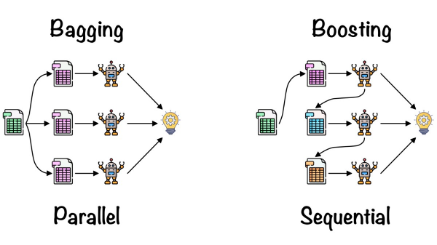 | ⇰REFERENCE (Website)-->Analytics Vidhya Regarding Thereotical & Conceptual Understanding of Random Forest Models & Working of Random Forest Algorithm

2.Hyper Param for ET Classifier
HYPER PARAMETERS FOR ET (EXTRA TREE) CLASSIFIERS WITH GRID SEARCH CV |  |  |  | REFERENCE

 |  |  |  | ⇰REFERENCE (Website)-->ScikitLearn Regarding Thereotical & Conceptual Understanding of Various Hyper Parameter for Extra Trees Classifiers

IMPERATIVE /FUNDAMENTAL HYPER PARAMETER FOR EXTRA TREE CLASSIFIER MODEL

⇰n_estimators:int, default=100 ❶The number of trees in the forest. ❷Basically in Simple Words n_estimators parameter specifies the number of trees in the forest of the model. The default value for this parameter is 10, which means that 10 different decision trees will be constructed in the Extra Tree Classifiers. |  | 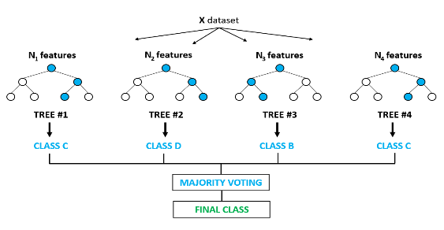 |  | ⇰REFERENCE (Website)-->Udemy Regarding Thereotical & Conceptual Understanding of Parameter =>n_estimators for Extra Tree Classifiers | ⇰REFERENCE (Website)-->Towards Data Science Regarding Thereotical & Conceptual Understanding of Parameter n_estimators for Random Forest Classification

 |  |  |  | ⇰REFERENCE (Website)-->ScikitLearn Regarding Thereotical & Conceptual Understanding of Various Hyper Parameter for Extra Trees Classifiers
❸According to Udemy Now, intuitively, we know the more decision trees that is, the more number of estimators we have in the Extra Tree Classifier, then the more opportunities to learn from a variety of feature subset combinations.We already know that each decision tree based off that random sub selection is going to look different than previous decision trees. |  |  |  |  | ⇰REFERENCE (Website)-->Rspiro Regarding Thereotical & Conceptual Understanding of Various Hyper Parameter for Random Forest

⇰bootstrap:bool, default=False ❶According to Scikit Learn Bootstraping's purpose is to Whether bootstrap samples are used when building trees. If False, the whole dataset is used to build each tree.

❷According to Udemy Bootstrapping basically is just a term used to describe the process of random sampling with replacement. Bootstrapping allows us to further differentiate those trees, meaning we can also bootstrap a selection of rows for each split & this actually results then in two randomized training components each time you're creating a decision tree and upon each split, instead of also just selecting a subset of features, you're going to bootstrap rows of data. |  | 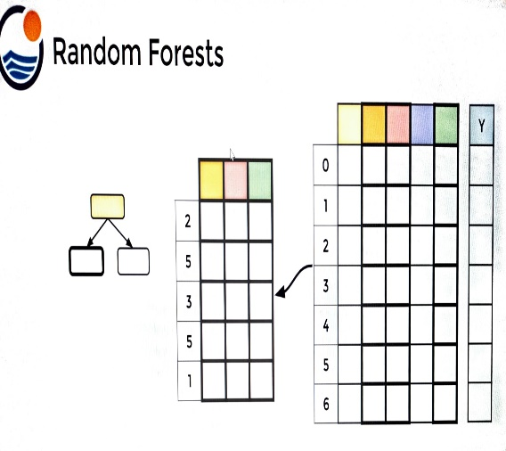 |  | ⇰REFERENCE (Website) ->Udemy Regarding Thereotical & Conceptual Understanding of Parameter =>Bootstrapping

 |  |  |  | ⇰REFERENCE (Website)-->Towards Data Science Regarding Thereotical & Conceptual Understanding of Parameter n_estimators for Random Forest Classification

❸This Results in 2 Randomized Training Components :- ▣ Subset of Features Used ▣BootStrapped Row of Data

①What is Bagging ? & OOB Score ?

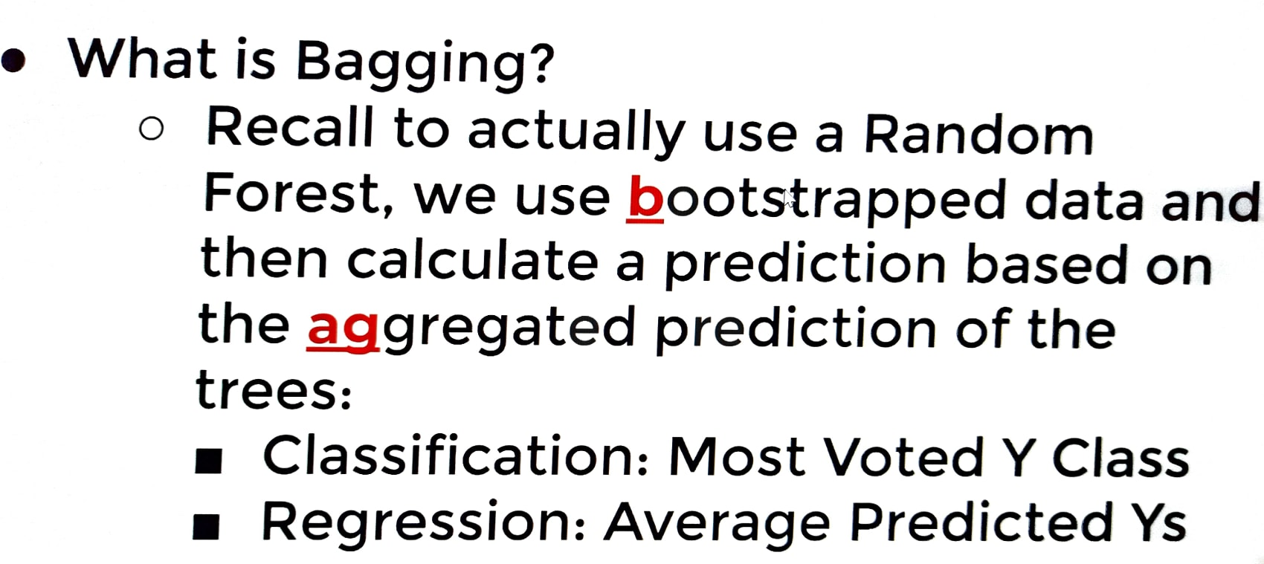
 |  |  |  | ⇰REFERENCE (Website)-->Rspiro Regarding Thereotical & Conceptual Understanding of Various Hyper Parameter for Random Forest

∎(bagging) (Udemy)-->If we performed bootstrapping when building out trees, this means that for certain trees, certain rows of data were not used for training.& if you have a large enough data set with enough rows, typically just statistically, the sampling is going to lead to the fact that about approximately one third of your data will not be used for the creation of or training of a particular tree. ∎(Udemy))--> That means this particular decision tree in our random forest using bootstrapped sampling has never seen Row zero (0) or Row four (4) or Row six (6), which would mean it's actually good test data.We could actually calculate its error on this data that it's never seen before So what we could do is grab the rows that were not used during the creation of this decision tree Rows ->zero(0) ,four (4) & six (6) and use those in order to calculate some sort of test metric.So again, these are known as the out of bag samples.They were not used for constructing some trees and we could use these to get performance test metrics on trees. |  | 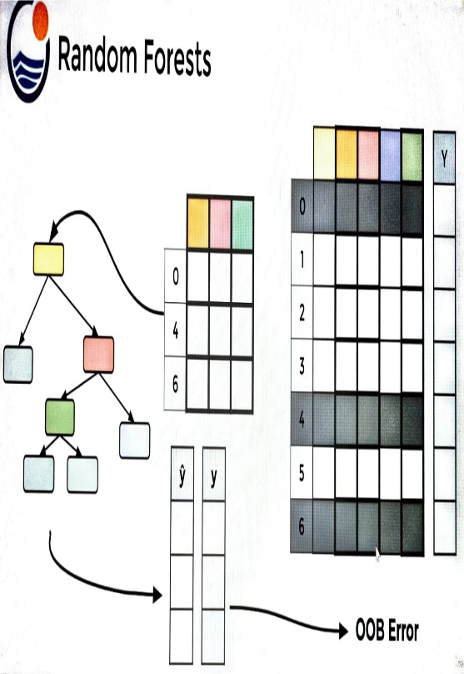 |  | ⇰REFERENCE (Website) ->Udemy Regarding Thereotical & Conceptual Understanding of Parameter =>Bagging

 |  |  |  | ⇰REFERENCE (Website)-->ScikitLearn Regarding Thereotical & Conceptual Understanding of Various Hyper Parameter for Extra Trees Classifiers

⇰NOTE
▣OOB _Score As Hyper Parameter Can only be used in Random Forest Model Because of Bagging (Bootstrapping) in Which Portion of Whole Dataset is Used for Training & Rest can be used for Performance Evaluation While in Boosting Based Models (Adaptive Boosting , Gradient Boosting , XGB, LightGBM) converting multiple weak learners into a single strong learning model.

⇰oob_score:bool or callable, default=False (out of bag error score) ❶Whether to use out-of-bag samples to estimate the generalization score. By default, accuracy_score is used. Provide a callable with signature metric(y_true, y_pred) to use a custom metric. Only available if bootstrap=True. ❷According to Udemy (Note) :- ▣Note That OOB Score is Hyper parameter that doesn't really affect training process. ▣Basically in Simple words it is separate from bootstrapping , OOB Score is an optional way of measuring performance , an alternative to using a standard TRAIN|TEST|SPLIT , since bootstrapping naturally used in unused data during training. ▣Due to Not using Entire Extra Tree Classifiers the default value of OOB Score Hyper Parameter is set to False. |  |  |  | ⇰REFERENCE (Website)-->Udemy Regarding Thereotical & Conceptual Understanding of Hyper Parameter of OOB_Score

SUPPORTING HYPER PARAMETER SAME IN EXTRA TREE MODEL AS IN DT (DECISION TREE MODEL)

⇰criterion{“gini”, “entropy”, “log_loss”}, default=”gini”
❶The function to measure the quality of a split. Supported criteria are “gini” for the Gini impurity and “log_loss” and “entropy” both for the Shannon information gain |  |  |  | ⇰REFERENCE (Website)-->Udemy Regarding Conceptual & Practical Understanding (Coding) of Various Hyper Parameter of Decision Tree Classifiers

▣Entropy is an information theory metric that measures the impurity or uncertainty in a group of observations. It determines how a decision tree chooses to split data. The image below gives a better description of the purity of a set. | ▣Gini Index The other way of splitting a decision tree is via the Gini Index. The Entropy and Information Gain method focuses on purity and impurity in a node. The Gini Index or Impurity measures the probability for a random instance being misclassified when chosen randomly. The lower the Gini Index, the better the lower the likelihood of misclassification.

 |  |  |  | ⇰REFERENCE (Website)-->Medium (1st) Regarding Thereotical & Conceptual Understanding of 1st Methods of Splitting Criterion --Entropy | ⇰REFERENCE (Website)-->Section Regarding Thereotical & Practical Implementation Regarding Splitting Criterion -->Entropy
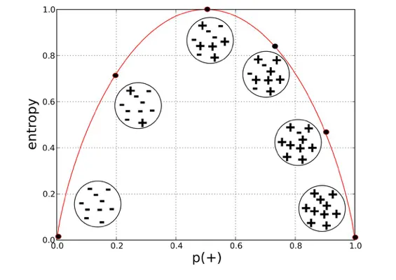

 | 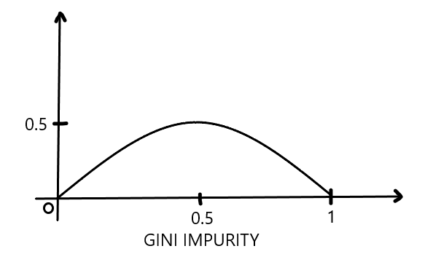
 |  |  |  | ⇰REFERENCE (Website)-->Medium (2nd) Regarding Thereotical & Conceptual Understanding of 2nd Methods Classification, Entropy & Information Gain

⇰max_depth:int, default=None (PRUNING)
❶The maximum depth of the tree. If None, then nodes are expanded until all leaves are pure or until all leaves contain less than min_samples_split samples. ❷According to Udemy It is mandating a maximum depth of our decision tree.So what we can do here is decide that we only want the decision tree to have a depth of two potential split layers, essentially splitting off the root node and then splitting off of those nodes. Anything further down than that, we're going to go ahead and prune or cut off so we can mandate a maximum depth of the tree, which would mean that we would just go back up and make those terminal or leaf nodes instead of decision nodes. |  |  | 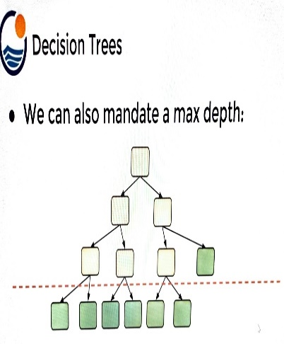 | ⇰REFERENCE (Website)-->Udemy Regarding Thereotical & Conceptual Understanding of Hyper Parameter-> Max_Depth

▣internal node Vs leaf node

❶A leaf node is a node that has no children. A node that does have children is known as an internal node. The root is an internal node, except in the special case of a tree that consists of just one node . |  |  |  | ⇰REFERENCE (Website)-->Quora Regarding Thereotical & Conceptual Understanding of Internal Node Vs Leaf Node | ⇰REFERENCE (Website)-->Stackoverflow Regarding Thereotical & Conceptual Understanding of internal Node Vs Leaf Node

⇰min_samples_split:int or float, default=2
❶The minimum number of samples required to split an internal node: ▣If int, then consider min_samples_split as the minimum number. ▣If float, then min_samples_split is a fraction and (min_samples_split *n_samples) are the minimum number of samples for each split. ∎So in Simple Words We will Understand This with Example If min_samples_split=10 Then It means There Will be no Splitting At Decision Node Unless If Samples is Less than 10 Here in This Chart we can see where gini=0.4444 Concurrently Samples=6 So from that there is no splitting & Because of Condition If samples < 10 Then No Splitting from Decision Node Ultimately it will become Terminal Node. | 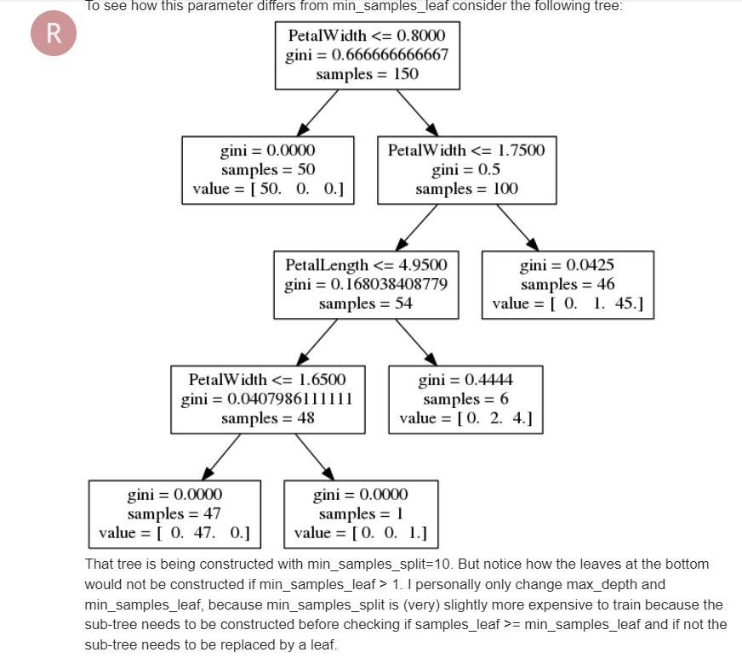 |  |  | ⇰REFERENCE (Website)-->Analytics Vidhya Regarding Thereotical & Conceptual Understanding of Param min_sample_split in Decision Tree

⇰min_samples_leaf:int or float, default=1
❶The minimum number of samples required to be at a leaf node. A split point at any depth will only be considered if it leaves at least min_samples_leaf training samples in each of the left and right branches. This may have the effect of smoothing the model, especially in regression. ▣If int, then consider min_samples_leaf as the minimum number. ▣If float, then min_samples_leaf is a fraction and ceil (min_samples_leaf * n_samples) are the minimum number of samples for each node. ∎So in Simple Words We will Understand This with Example If min_samples_leaf=2 Then there will be no splitting at Decision Node In this Chart where gini=0 & sample =1 But There is No Splitting because min_sample_leaf is set=2 & Main Condition is Both Branches (Left & Right) 's samples >2.If Any one Of Branches 's samples<2 Then it will become Leaf (Terminal node)
 |  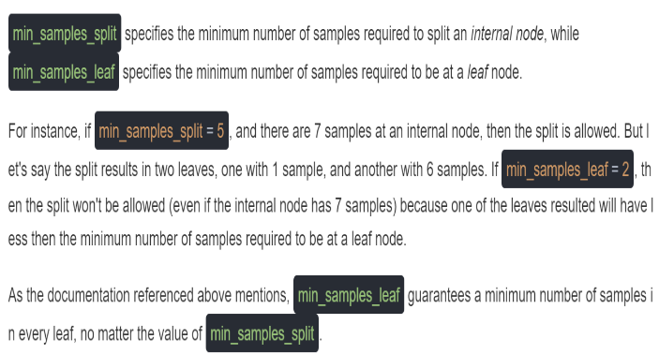
 |  |  |  | ⇰REFERENCE (Website)-->Stackoverflow Regarding Thereotical & Conceptual Understanding of min_samples_split and min_samples_leaf in DecisionTreeClassifier | ⇰REFERENCE (Website)-->Ytho Python Regarding Conceptual & Practical Understanding of Diff in Between Min_sample Leaf Vs Min Sample Split

 |  |  |  | ⇰REFERENCE (Website)-->Analytics Vidhya Regarding Thereotical & Conceptual Understanding of Param min_sample_split in Decision Tree

▣Min Sample Leaf Vs Min Sample Split
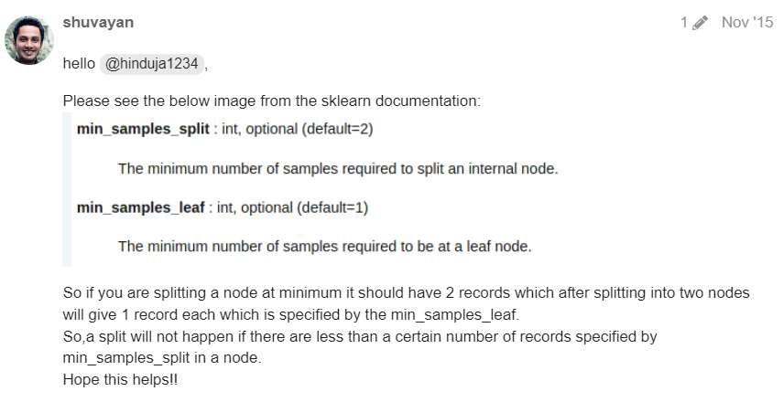 

 |  |  |  | ⇰REFERENCE (Website)-->Analytics Vidhya Regarding Thereotical & Conceptual Understanding of Param min_sample_split in Decision Tree | ⇰REFERENCE (Website)-->Ytho Python Regarding Conceptual & Practical Understanding of Diff in Between Min_sample Leaf Vs Min Sample Split

⇰max_features:int, float or {“auto”, “sqrt”, “log2”}, default=None
❶The number of features to consider when looking for the best split:- ▣If int, then consider max_features features at each split. ▣If float, then max_features is a fraction and max(1, int(max_features * n_features_in_)) features are considered at each split. ▣If “sqrt”, then max_features=sqrt(n_features). ▣If “log2”, then max_features=log2(n_features). ▣If None, then max_features=n_features. ❷Basically in Simple Words max_features The number of features to consider when looking for the best split (Responsible for Root Node).If this value is not set, the decision tree will consider all features available to make the best split. Depending on your application, it's often a good idea to tune this parameter. |  |  |  | ⇰REFERENCE (Website)-->Medium (Towards Data Science) Regarding Thereotical & Conceptual Understanding of Hyper Param =>max_features

 |  |  |  | ⇰REFERENCE (Website)-->Scikit Learn Regarding Conceptual & Practical Understanding of Various Hyper Parameters of Decision Tree Classifiers

⇰max_leaf_nodes:int, default=None
❶Grow a tree with max_leaf_nodes in best-first fashion. Best nodes are defined as relative reduction in impurity. If None then unlimited number of leaf nodes. ❷Maximum number of leaf nodes a decision tree can have. Basically in Simple Words We can adjust Maximum No of Leaf Nodes (Terminal Nodes) at End of Decision Tree For Ex In This Decision Tree we set max_leaf_nodes=2 so we can see in this figure We have 2 Leaf Nodes (Terminal Nodes). | 

 |  |  |  | ⇰REFERENCE (Website)-->Analytics Vidhya Regarding Thereotical & Conceptual Understanding of param max_leaf_nodes in Decision Tree

⇰random_state:int, RandomState instance or None, default=None
▣Controls 3 sources of randomness: ❶The bootstrapping of the samples used when building trees (if bootstrap=True). ❷The sampling of the features to consider when looking for the best split at each node (if max_features < n_features). ❸The draw of the splits for each of the max_features. ❹Basically in Simple Words Every time you Run Your Model it will create New Decision Tree & Having New Parameter & New Random Features so to Control That We need to Put random_state:int . |  |  |  | ⇰REFERENCE (Website)-->Scikit Learn Regarding Conceptual & Practical Understanding of Various Hyper Parameters of Extra Tree Classifiers

⇰n_jobs:int, default=None ❶Number of CPUs to use during the cross validation. None means 1 unless in a joblib.parallel backend. ❷The maximum number of concurrently running jobs, such as the number of Python worker processes when backend=”multiprocessing” or the size of the thread-pool when backend=”threading”. If -1 all CPUs are used. If 1 is given, no parallel computing code is used at all, and the behavior amounts to a simple python for loop. This mode is not compatible with timeout. For n_jobs below -1, (n_cpus + 1 + n_jobs) are used. Thus for n_jobs = -2, all CPUs but one are used. ❸n_jobs=-1-->running with n-jobs = -1: (after adding the if __name__ == '__main__': line to my script) I see the script starting 4 processes with 10 threads each. Each process uses about 25% of the CPU (total: 100%). Seems to work as expected. ❹n_jobs=1-->running with n-jobs = 1: stays on a single process (not a surprise), with 20 threads, and also uses 100% of the CPU.

 |  |  |  | ⇰REFERENCE (Website)-->Joblib Python Library Regarding Parameters of Joblib.Parallel() ' Hyper Parameter of n_jobs

 |  |  |  | ⇰REFERENCE (Website)-->Stackoverflow Regarding Thereotical & Practical Implementation of n_jobs 's Hyper Parameter for LASSO CV's Model

⇰verbose:bool or int, default=False ❶Amount of verbosity ❷Verbosity level is related just to logging. In unit tests you find it for the logging of the information. ❸These levels decide the amount of information you will get. For example setting the level to ERROR for running unit tests will display only the cases for which the unit tests failed. Setting it to DEBUG will give you more (the most in fact) info such as what were the values of the variables (in assert statements etc).It is more useful in cases where your program has different levels of logging and you want your users to see different levels of info. For eg. usually you don't want the users to see details of internals, apart from fatal errors. So users will be running the program in FATAL or CRITICAL mode. But when some error occurs you will need such details. ❹The verbosity level: if non zero, progress messages are printed. Above 50, the output is sent to standout. The frequency of the messages increases with the verbosity level. If it more than 10, all iterations are reported. ❻By setting verbose 0, 1 or 2 y |  |  |  | ⇰REFERENCE (Website)-->Stackoverflow Regarding Conceptual & Thereotical Info Regarding ('What is verbosity level exactly in python?') (difference between each level)

 |  |  |  | ⇰REFERENCE (Website)-->Scikit Learn Regarding Conceptual & Practical Understanding of Various Hyper Parameters of Decision Tree Classifiers

⇰min_impurity_decrease:float, default=0.0
❶A node will be split if this split induces a decrease of the impurity greater than or equal to this value. ❷Basically in Simple Words (Udemy) Let's imagine that we have many features and we're having this really large over fitted tree.That is, the tree ends up being very deep with many different types of potential splits & often if you have a very large tree, it could potentially over fit to your training data, meaning it doesn't have enough bias to perform well on test data. ❸What you can do to alleviate this issue is add in the parameter of a minimum impurity decrease after being split on a node. |  | 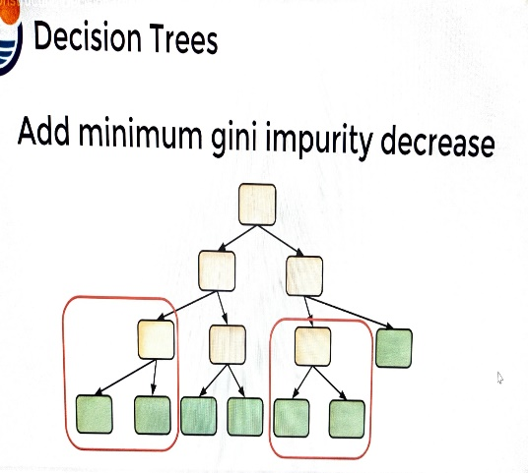
 |  |  |  | ⇰REFERENCE (Website)-->Udemy Regarding Thereotical & Conceptual Understanding of Param min_impurity_decrease used in Decision Tree

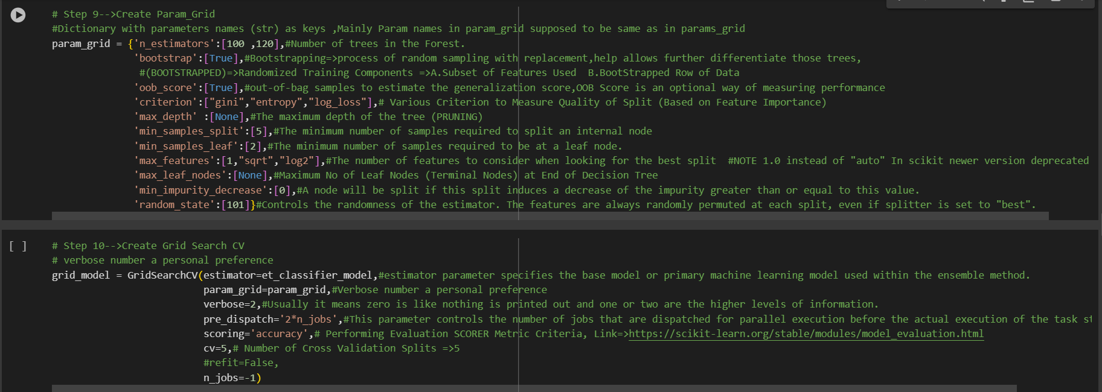 |  |  |  | ⇰REFERENCE (Website)-->1.12(iii)(ET) Extra Tree Classifiers Regarding Conceptual & Practical Implementation (Coding) of HyperParam of Extra Tree Classifiers With Grid Search CV

3.Methods for ET Classifier
METHODS OF EXTRA TREE (ET) CLASSIFIERS |  | REFERENCE

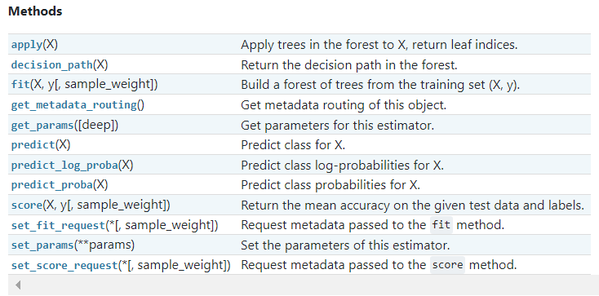 |  | ⇰REFERENCE (Website)-->Scikit Learn Regarding Thereotical & Conceptual Understanding of Various Methods For (ET) Extra Tree Classifiers

 |  | ⇰REFERENCE (Website)-->Udemy Regarding Thereotical & Conceptual Understanding of Various Methods for Random Forest Classifiers

⇰fit(X, y, sample_weight=None) ❶Run fit with all sets of parameters ❷Build a Extra tree classifier + Grid Search CV (grid_model) from the training set (X, y).
 |  | ⇰REFERENCE (Website)-->1.12(iii) Google Colab ET (Extra Tree Classifiers) With Grid Search CV Regarding Practical Implementation of (Fit_methods of ET Classifiers)

 |  | ⇰REFERENCE (Website)-->Stackoverflow Regarding Thereotical & Practical Implementation of Imperative Methods in Decision Tree Classifier (predict, predict_proba, predict_log_proba)

⇰predict(X) ❶Transform the data, and apply predict with the final estimator. ❷Predict class or regression value for X.For a classification model, the predicted class for each sample in X is returned. For a regression model, the predicted value based on X is returned.

 |  | ⇰REFERENCE (Website)-->1.12(iii) Google Colab ET (Extra Tree Classifiers) With Grid Search CV Regarding Practical Implementation Methods of (predict(X)
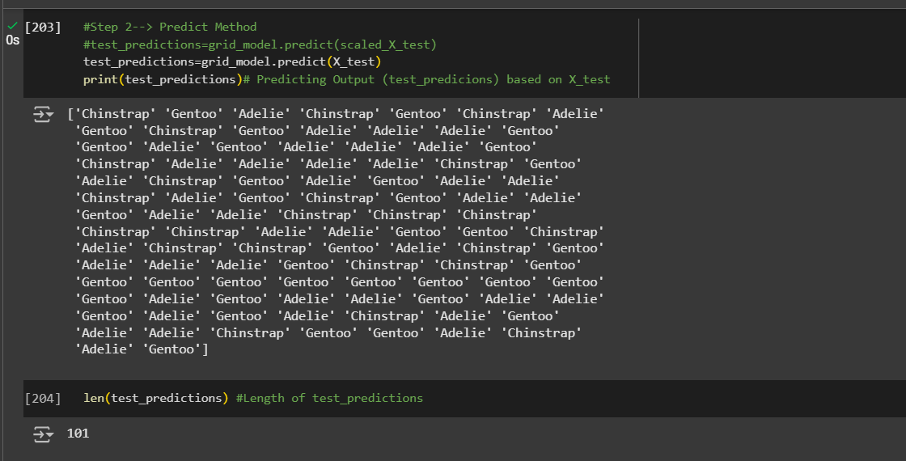

 |  | ⇰REFERENCE (Website)-->Scikit Learn Regarding Thereotical & Conceptual Understanding of Various Methods For (ET) Extra Tree Classifiers

 |  | ⇰REFERENCE (Website)-->Udemy Regarding Thereotical & Conceptual Understanding of Various Methods for Random Forest Classifiers
⇰predict_proba(X) & Prediction of New Unknown Data ❶Probability estimates:-The returned estimates for all classes are ordered by the label of classes. ❷Compute probabilities of possible outcomes for samples in X. ❸Classification algorithms usually also offer a way to quantify certainty of a prediction, either using Classification Category in the form of 0 Or 1 .Basically Prediction in terms of it's probability ranges in between value 0 & 1 at 0th index. ❹The predicted class probability is the fraction of samples of the same class in a leaf.

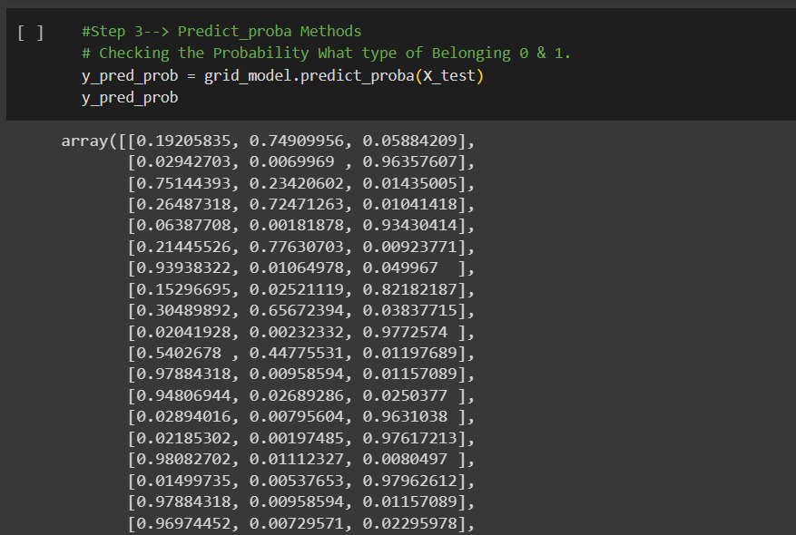 |  | ⇰REFERENCE (Website)-->1.12(iii) Google Colab ET (Extra Tree Classifiers) With Grid Search CV Regarding Practical Implementation of Imperative Methods of (predict_proba(X))

 |  | ⇰REFERENCE (Website)-->1.12(iii) Google Colab ET (Extra Tree Classifiers) With Grid Search CV Regarding Practical Implementation of Imperative Methods of (predict_proba(Index[0]))

⇰predict_log_proba(X) ❶Predict logarithm of probability estimates.The returned estimates for all classes are ordered by the label of classes.

❷ Basically in Other word All the Probability Estimates in the form of p .. probability lie in (Between 0 & 1) will be converted into logarithm scale value by this formula as we had done in Copy Or in Practicals.Pl see Given Figure (Fig in 1.7 (Excel) Thereotical Logistic Regression )

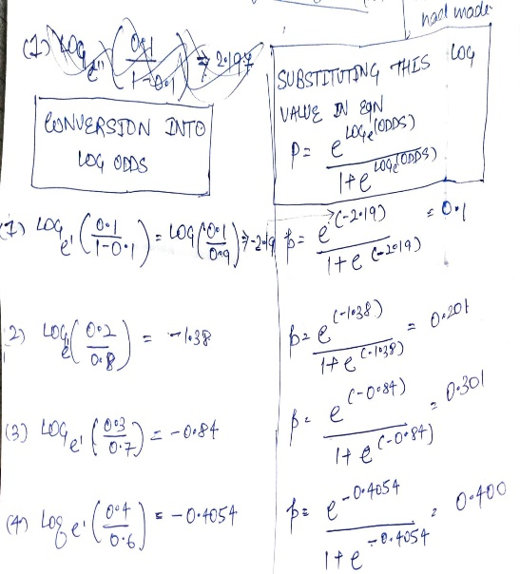

 |  | ⇰REFERENCE (Website)-->Scikit Learn Regarding Thereotical & Conceptual Understanding of Various Methods For (ET) Extra Tree Classifiers

 |  | ⇰REFERENCE (Website)-->Udemy Regarding Thereotical & Conceptual Understanding of Various Methods for Random Forest Classifiers

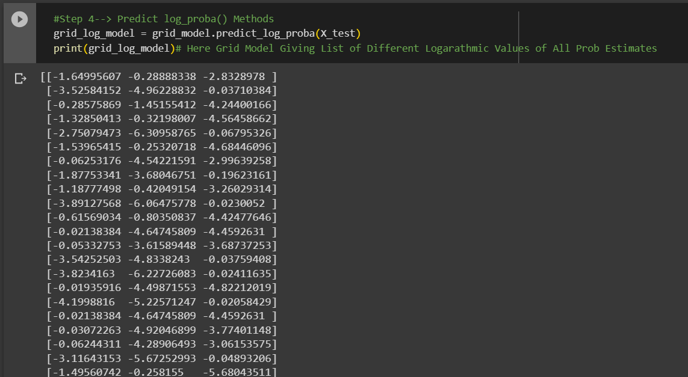 |  | ⇰REFERENCE (Website)-->1.12(iii) Google Colab (Extra Tree Classifiers) Regarding Conceptual Implementation of Imperative Methods of Predict log_proba( )

 |  | ⇰REFERENCE (Website)-->Scikit Learn Regarding Thereotical & Conceptual Understanding of Various Methods For (ET) Extra Tree Classifiers

▣Predict Logarathmic Probability of Probability Estimates at 0th Index or Individual Index Like 0 , 1 , 2 ,3 ,4 .Here In this Case We can See Log Probabilistic Methods at 0th Index
 |  | ⇰REFERENCE (Website)-->1.12(iii) Google Colab ET (Extra Tree Classifiers) With Grid Search CV Regarding Practical Implementation of Imperative Methods of predict_log_proba(X[0])

⇰get_params(deep=True) ❶Get parameters for this estimator. ❷deep:bool, default=True ,If True, will return the parameters for this estimator and contained sub objects that are estimators. Parameter names mapped to their values in dict format . ❸ In 2nd Instance we had seen that we Create get_params by using calling keys & display result in List Format . ❹Basically in Simple words this param_grid parameter allows you to pass the grid of parameters you are searching. This grid must be formatted as a dictionary with the key corresponding to the specific estimator’s parameter names, and the values corresponding to a list of values to pass for the specific parameters.

 |  | ⇰REFERENCE (Website)-->Scikit Learn Regarding Thereotical & Conceptual Understanding of Various Methods For (ET) Extra Tree Classifiers

 |  | ⇰REFERENCE (Website)-->Udemy Regarding Thereotical & Conceptual Understanding of Various Methods for Random Forest Classifiers
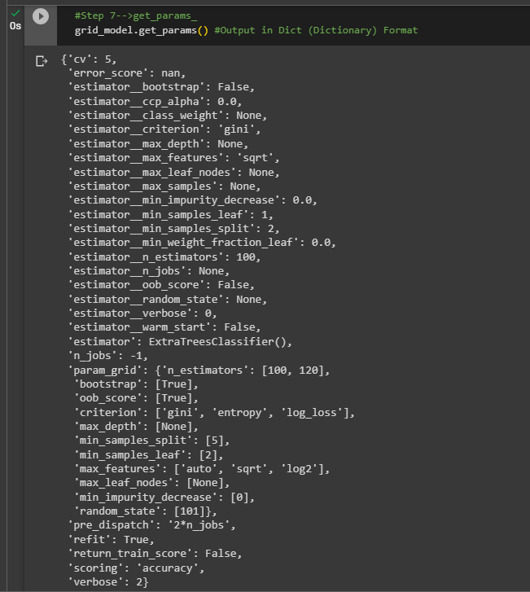

 |  | ⇰REFERENCE (Website)-->Scikit Learn Regarding Thereotical & Conceptual Understanding of Various Methods For (ET) Extra Tree Classifiers

 |  | ⇰REFERENCE (Website)-->1.12(iii) Google Colab ET (Extra Tree Classifiers) With Grid Search CV Regarding Practical Implementation of Imperative Methods of get_params in Dictionary Format

 |  | ⇰REFERENCE (Website)-->1.12(iii) Google Colab ET (Extra Tree Classifiers) With Grid Search CV Regarding Practical Implementation of Imperative Methods of get_params in List Format



 |  | ⇰REFERENCE (Website)-->1.12(iii) Google Colab ET (Extra Tree Classifiers) With Grid Search CV Regarding Practical Implementation of Imperative Methods of set_params

⇰set_params(params) ❶Set the parameters of this estimator . ❷In simple words set_params (Setting or Readjusting any Hyper Parameter again with New Param) ,We can Perform Readjustment or Reconfiguration of any Hyper Parameter for Given Model & then Re-run the Model.

❸Basically in upcoming Example We can see changes in set_params (n_jobs=>-1) to (n_jobs=>1) & (verbose=>2) to (verbose=>1) If we do comparison against Previous model.get_params() we can see those changes.
 |  | ⇰REFERENCE (Website)-->Scikit Learn Regarding Thereotical & Conceptual Understanding of Various Methods For (ET) Extra Tree Classifiers

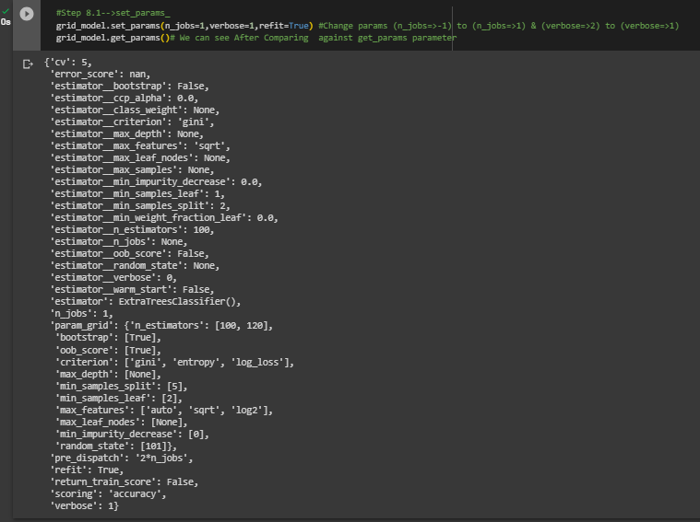

 |  | ⇰REFERENCE (Website)-->1.12(iii) Google Colab ET (Extra Tree Classifiers) With Grid Search CV Regarding Practical Implementation of Imperative Methods of set_params | ⇰REFERENCE (Website)-->Udemy Regarding Thereotical & Conceptual Understanding of Various Methods for Random Forest Classifiers

 |  |  | ⇰REFERENCE (Website)-->Scikitlearn Regarding Conceptual Understanding of Various Methods For make_scorer

 |  | ⇰REFERENCE (Website)-->1.12(iii) Google Colab ET (Extra Tree Classifiers) With Grid Search CV Regarding Practical Implementation of (set_params of Keys () methods of ET Classifiers)

 |  | ⇰REFERENCE (Website)-->1.12(iii) Google Colab ET (Extra Tree Classifiers) With Grid Search CV Regarding Practical Implementation of (set_params of Keys () methods of ET Classifiers)

⇰apply(X[, check_input]) ❶Return the index of the leaf (Terminal Node) that each sample is predicted as. ❷Best_Estimator's Model from Grid Search CV for This Methods .

 |  | ⇰REFERENCE (Website)-->1.12(iii) Google Colab ET (Extra Tree Classifiers) With Grid Search CV Regarding Practical Implementation of Imperative Methods of apply(X)

⇰decision_path(X, check_input=True) ❶Return the decision path in the tree. ❷Basically in Simple Words This Methods (decision function) will tell us regarding Types of data (Format) & No of Elements Storage in what location ? ❸Best_Estimator's Model from Grid Search CV for This Methods.

 |  | ⇰REFERENCE (Website)-->1.12(iii) Google Colab ET (Extra Tree Classifiers) With Grid Search CV Regarding Practical Implementation of Imperative Methods of decision_path(X,check_input=True) | ⇰REFERENCE (Website)-->Udemy Regarding Thereotical & Conceptual Understanding of Various Methods for Random Forest Classifiers

 |  |  | ⇰REFERENCE (Website)-->Scikitlearn Regarding Conceptual Understanding of Various Methods For make_scorer

»get_scorer_names ⇰sklearn.metrics.get_scorer_names()

❶Get the names of all available scorers.These names can be passed to get_scorer to retrieve the scorer object.. ❷get_scorer_names is typically a method or function found in machine learning libraries, particularly ones like scikit-learn, where it provides a list of available scoring metrics that can be used to evaluate the performance of a model.When you’re optimizing a model, you might want to compare different metrics or choose a specific metric to focus on. Using get_scorer_names ensures you know all the valid metrics available in the library. | 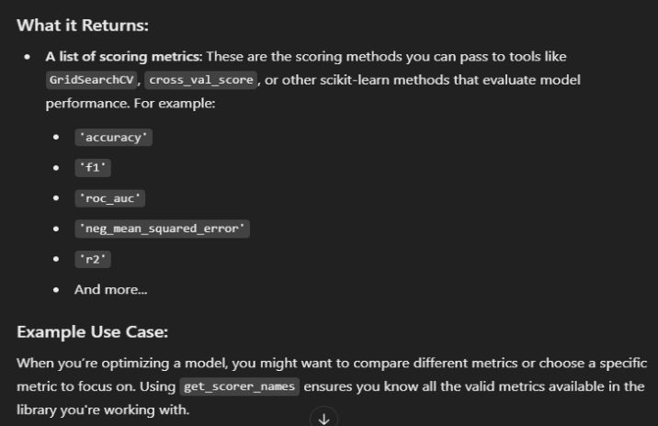 | ⇰REFERENCE (Website)-->Scikitlearn Regarding Conceptual Understanding of Various Methods⇒ get_scorer_names

 |  | ⇰REFERENCE (Website)-->1.12(iii) Google Colab Extra Tree Classifiers With Grid Search CV Regarding Practical Implementation of Methods of get_scorer_names

»make_scorer ⇰sklearn.metrics.make_scorer(score_func, *, response_method=None, greater_is_better=True, needs_proba='deprecated', needs_threshold='deprecated', **kwargs)[source] |  | ⇰REFERENCE (Website)-->Scikit Learn Regarding Thereotical & Conceptual Understanding of Various Methods For (ET) Extra Tree Classifiers

❶Return the mean accuracy on the given test data and labels. ❷make_scorer⇒ is a utility function in scikit-learn that allows you to turn a custom evaluation metric (A Python function) into a scorer object that can be used for model evaluation, hyperparameter tuning, and cross-validation. It essentially wraps your function into a form that the scikit-learn ecosystem understands.Return the mean accuracy on the given test data & labels. ❸Scorer Metric is used for the purpose for finding what kind of evaluation Criteria is used in Given Data set for the purpose of Finding Out the Error & In this case it is 'accuracy' in AdaBoosting Classifiers. ❹Basically in upcoming example Performance Eval Metric => 'Accuracy' means Correct Prediction=>0.9801=>98.01% & (Remaining Incorrect Prediction (Error) =>0.0199 =>1.99%) . | 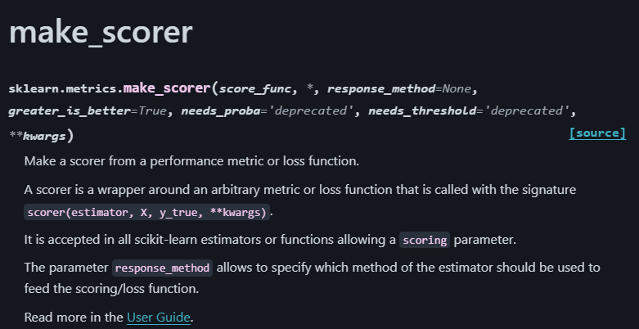

 |  | ⇰REFERENCE (Website)-->Udemy Regarding Thereotical & Conceptual Understanding of Various Methods for Random Forest Classifiers

 |  | ⇰REFERENCE (Website)-->Scikitlearn Regarding Conceptual Understanding of Various Methods For make_scorer

 | 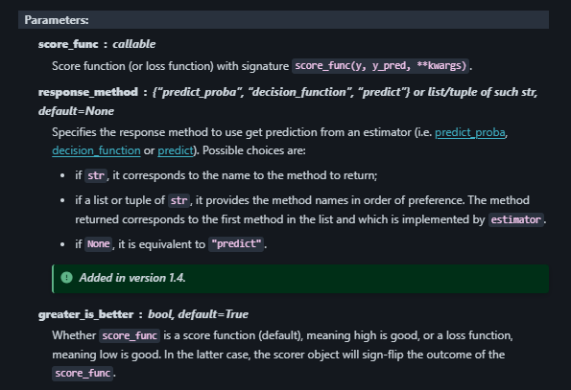
»Example 1: Custom Scorer for Precision
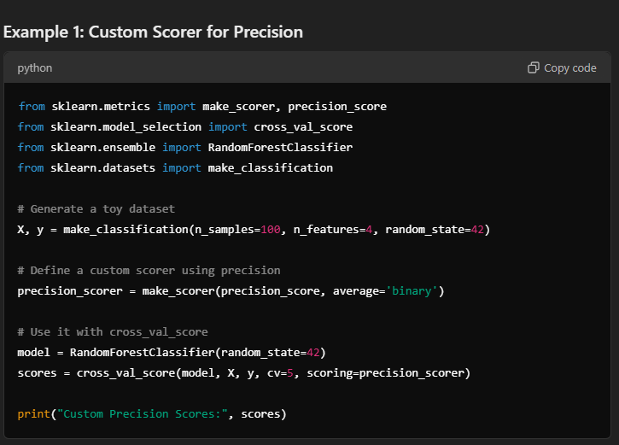

 | 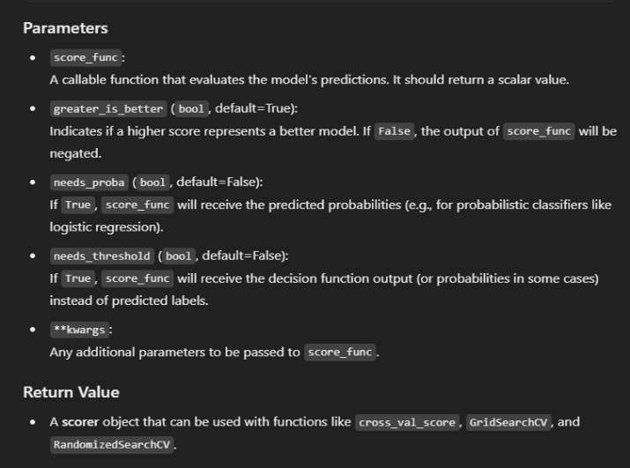
»Example 2: Using Custom Function for scoring
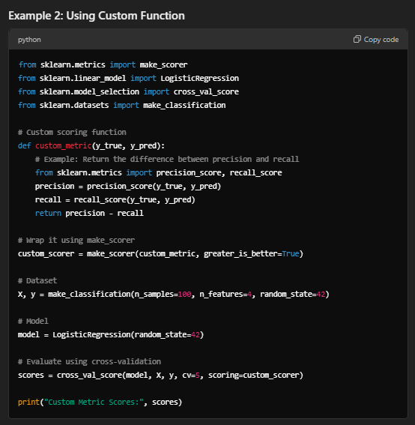

⇒score.response_method('decision_function') OR ('predict_proba') for classification Dataset ❶Specifies how to obtain predictions from the model. ❷By default, response_method='predict' is used for regression models. It calls the predict method of the estimator. ❸(Decision_Function)⇒ method basically returns a Numpy array, In which each element represents whether a predicted sample for x_test by the classifier lies to the right or left side of the Hyperplane & also how far from the HyperPlane. ❹ (predictproba)⇒Classification algorithms usually also offer a way to quantify certainty of a prediction, either using Classification Category in the form of 0 Or 1.Basically Prediction in terms of it's probability ranges in between value 0 & 1 at 0th index. |  | ⇰REFERENCE (Website)-->Scikitlearn Regarding Glossary of Common Terms make_scorer.response_method (decision_function) | ⇰REFERENCE (Website)-->Scikitlearn Regarding Glossary of Common Terms make_scorer.response_method (predict_proba)

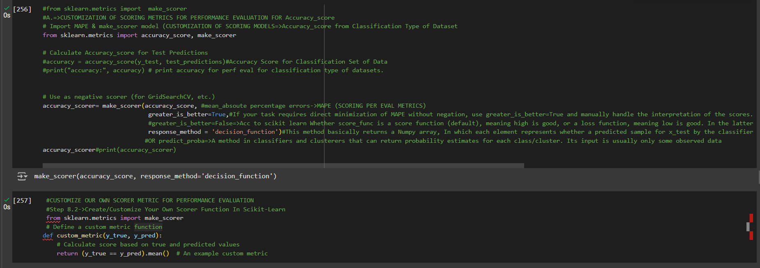 |  | ⇰REFERENCE (Website)-->1.12(iii) Google Colab Extra Tree Classifiers With Grid Search CV Regarding Practical Implementation of Methods of make_scorer

4.Attribute of ET Classifier
ATTRIBUTES OF EXTRA TREE (ET) CLASSIFIERS |  |  | REFERENCE

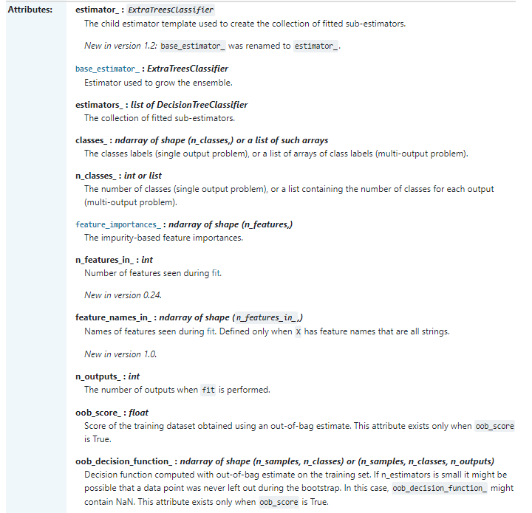 |  |  | ⇰REFERENCE (Website)-->Scikit Learn Regarding Thereotical & Conceptual Understanding of Various Attributes For Extra Tree (ET) Classifiers

 |  |  | ⇰REFERENCE (Website)-->Udemy Regarding Thereotical & Conceptual Understanding of Various Attributes for Random Forest Classifiers

 |  |  | ⇰REFERENCE (Website)-->Scikit Learn Regarding Thereotical & Conceptual Understanding of Various Attributes For Extra Tree (ET) Classifiers

⇰classes_ndarray of shape (n_classes,) or list of ndarray ❶The classes labels (single output problem), or a list of arrays of class labels (multi-output problem). ❷A list of class labels known to the classifier. ❸Basically in Simple Words Various Classified Labels (Output) (Dependent Variable) Used in Models.

 |  |  | ⇰REFERENCE (Website)-->1.12(iii) Google Colab ET (Extra Tree Classifiers) With Grid Search CV Regarding Practical Implementation of Imperative Attributes of classes_

 |  |  |  | ⇰REFERENCE (Website)-->Stackoverflow Regarding Conceptual Understanding of Various Attributes of feature importances_
⇰feature_importances_:ndarray of shape (n_features,) ❶Return the feature importances. ❷ Basically in Simple Words it will report back the relative importance of each feature and its decision making & this is listed in the same order as the X features. ❸Best_Estimator's Model from Grid Search CV for This Attributes

 |  |  | ⇰REFERENCE (Website)-->1.12(iii) Google Colab ET (Extra Tree Classifiers) With Grid Search CV Regarding Practical Implementation of Imperative Attributes of feature_importances_
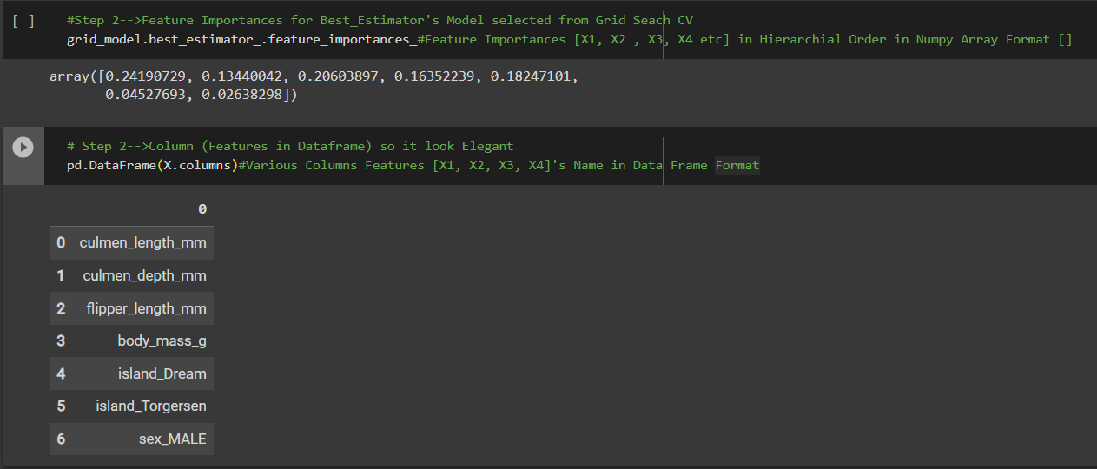

❹Feature Importances According in Data Frame Format in Sorting Order (Basically in Simple Words Attributes of Features Importance in Data Frame Format as well as Values sorted in Ascending Order. |  |  | ⇰REFERENCE (Website)-->Scikit Learn Regarding Thereotical & Conceptual Understanding of Various Attributes For Extra Tree (ET) Classifiers

▣Conversion of feature_importances_ into dataframe So in that way it will easier to read & all features based on their importance will be in Hierarchical Order. ▣In this Case we can see culmen_length_mm is most important features because it scores 0.24 in terms of it's weightage. ▣Best_Estimator's Model from Grid Search CV for This Attributes

 |  |  | ⇰REFERENCE (Website)-->1.12(iii) Google Colab ET (Extra Tree Classifiers) With Grid Search CV Regarding Practical Implementation of Imperative Attributes of feature_importances_ in Data Frame Format

 |  |  | ⇰REFERENCE (Website)-->Udemy Regarding Thereotical & Conceptual Understanding of Various Attributes for Random Forest Classifiers
⇰n_classes_:int or list of int ❶The number of Classes Or Labels (Output) in Classification based Data set (for single output problems), or a list containing the number of classes for each output (for multi-output problems). ❷Basically in Simple Words attribute n_classes refer to Number of Labels or Classes Applicable for Classification based Dataset for Number of Various Labels used for Output like in this example 3 classes we have is 'Adelie', 'Chinstrap', 'Gentoo'. ❸Best_Estimator's Model from Grid Search CV for This Attributes

 |  |  | ⇰REFERENCE (Website)-->1.12(iii) Google Colab ET (Extra Tree Classifiers) With Grid Search CV Regarding Practical Implementation of Imperative Attributes of n_classes_

⇰n_outputs_:int ❶The number of outputs when fit is performed. ❷Best_Estimator's Model from Grid Search CV for This Attributes

 |  |  | ⇰REFERENCE (Website)-->1.12(iii) Google Colab ET (Extra Tree Classifiers) With Grid Search CV Regarding Practical Implementation of Imperative Attributes of n_outputs_

⇰feature_names_in_ndarray of shape (n_features_in_,) ❶Names of features seen during fit. Defined only when X has feature names that are all strings. ❷Defined only when X has feature names that are all strings & Precede to Feature Scaling Otherwise Due to Feature Scaling it will create Multiple Features. Basically in Other Word it Defines the Names of All Features (Independent Variable) That are Available in the Given Dataset. ❸Basically in Simple Words In Extra Tree Classifiers We don't Need Feature Scaling That's why We can see By Implementing this Attribute we can see Names of Features Used for Decision Tree Classifiers.

 |  |  | ⇰REFERENCE (Website)-->Scikit Learn Regarding Thereotical & Conceptual Understanding of Various Attributes For Extra Tree (ET) Classifiers

 |  |  | ⇰REFERENCE (Website)-->1.12(iii) Google Colab ET (Extra Tree Classifiers) With Grid Search CV Regarding Practical Implementation of Imperative Attributes of features_names_in_

⇰n_features_in_:int ❶Number of features seen during fit. ❷ In Simple Words Number of features seen during fit.Only defined if best_estimator_ is defined Basically in Simple Words in this example of ExtraTree Classifiers We have 7 Features so this attribute defines number of features used & available in for your data.

 |  |  | ⇰REFERENCE (Website)-->1.12(iii) Google Colab ET (Extra Tree Classifiers) With Grid Search CV Regarding Practical Implementation of Imperative Attributes of n_features_in_

 |  |  |  | ⇰REFERENCE (Website)-->Udemy Regarding Thereotical & Conceptual Understanding of Meaning of Random Forest's BootStrapping & OOB (Out of Bag Error)
⇰oob_score_:float ❶Score of the training dataset obtained using an out-of-bag estimate. This attribute exists only when oob_score is True. ▣Basically in Simple words it is separate from bootstrapping , OOB Score is an optional way of measuring performance , an alternative to using a standard TRAIN|TEST|SPLIT , since bootstrapping naturally used in unused data during training. |  | 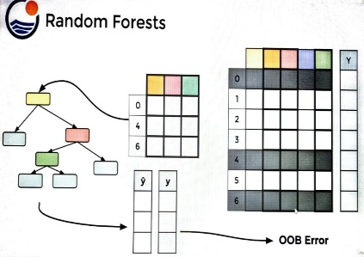

 |  |  | ⇰REFERENCE (Website)-->1.12(iii) Google Colab ET (Extra Tree Classifiers) With Grid Search CV Regarding Practical Implementation of Imperative Attributes of oob_score_

⇰oob_decision_function_:ndarray of shape (n_samples, n_classes) or (n_samples, n_classes, n_outputs)

❶Decision function computed with out-of-bag estimate on the training set. If n_estimators is small it might be possible that a data point was never left out during the bootstrap. In this case, oob_decision_function_ might contain NaN. This attribute exists only when oob_score is True.

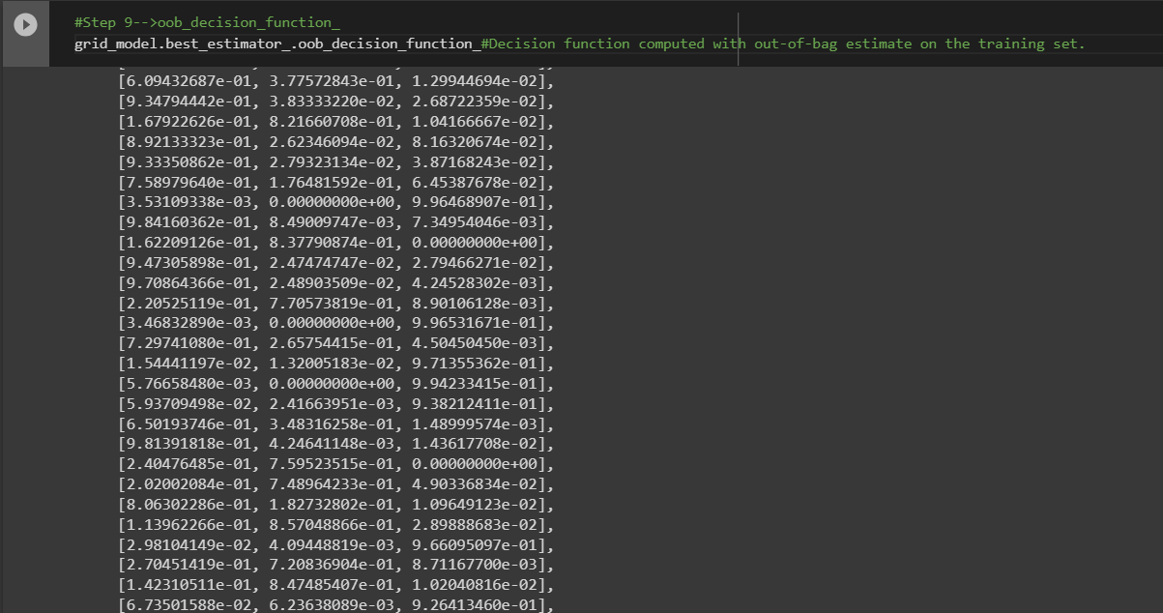 |  |  | ⇰REFERENCE (Website)-->1.12(iii) Google Colab ET (Extra Tree Classifiers) With Grid Search CV Regarding Practical Implementation of Imperative Attributes of oob_decision_function

 |  |  | ⇰REFERENCE (Website)-->Scikit Learn Regarding Thereotical & Conceptual Understanding of Various Attributes For Extra Tree (ET) Classifiers

⇰estimator_:ExtraTreesClassifier ❶The child estimator template used to create the collection of fitted sub-estimators. ❷Basically in Simple Words Estimator's Template Mean Pictorial Representation of (What Kind of Model + Grid Search CV We are Implementing in Our Models.)

 |  |  | ⇰REFERENCE (Website)-->1.12(iii) Google Colab ET (Extra Tree Classifiers) With Grid Search CV Regarding Practical Implementation of Imperative Attributes of (estimator_)

⇰estimators_:list of DecisionTreeClassifiers ❶The collection of fitted sub-estimators. ❷In Simple Words Display of Various List of Extra Tree Classifiers According to Different Hyper Parameter Tuned Up.

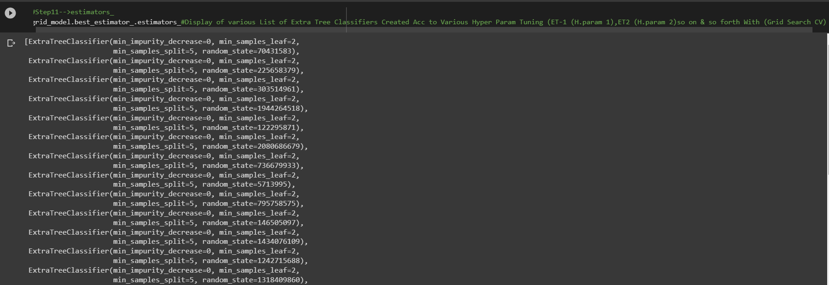 |  |  | ⇰REFERENCE (Website)-->1.12(iii) Google Colab ET (Extra Tree Classifiers) With Grid Search CV Regarding Practical Implementation of Imperative Attributes of (estimators_)

 |  |  | ⇰REFERENCE (Website)-->Udemy Regarding Thereotical & Conceptual Understanding of Various Attributes for Random Forest Classifiers

⇰base_estimator_:ExtraTreeClassifier ❶Estimator used to grow the ensemble. ❷Basically in Simple Words What Sorts of Base Estimator We want to Fit on Random Subset of Dataset If You don't Then Specify base_estimators Default ⇒ Extra Tree Classifier.

 |  |  | ⇰REFERENCE (Website)-->ScikitLearn Regarding Conceptual Understanding of Module Bagging Regressor in Regression Based Model sklearn.ensemble.BaggingClassifier

❸According to ScikitLearn ⇒BaggingClassifiers: When using the BaggingClassifier in scikit-learn, you can specify a base estimator to fit on random subsets of the Classification Based dataset. If you don't specify a base estimator, the default ⇒ DecisionTreeClassification. This means that, by default, BaggingClassifier uses DecisionTreeClassifier as its base model for building an ensemble model. In this Example We can Use (SVC) as base_estimators_. | 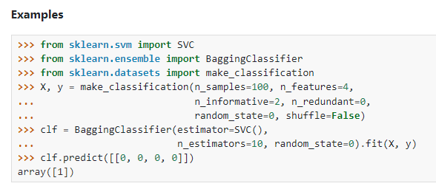 |  | ⇰REFERENCE (Website)-->Scikit Learn Regarding Thereotical & Conceptual Understanding of Various Attributes For Extra Tree (ET) Classifiers | ⇰REFERENCE (Website)-->Udemy Regarding Thereotical & Conceptual Understanding of Various Attributes of Random Forest Classifiers

 |  |  | ⇰REFERENCE (Website)-->1.12(iii) Google Colab ET (Extra Tree Classifiers) With Grid Search CV Regarding Practical Implementation of Imperative Attributes of (base_estimators_)

5.Error & Misclass Vs No of Est
⌗ELBOW METHODS

▣I.ERRORS VS NO OF ESTIMATORS | REFERENCE

❶You'll notice we start off with quite a bit of noise in the errors (As we can see RMSE Error eventually Start from 8 & settle off & we start to hit this essentially this point or threshold where it can no longer really improve performance. ❷What's going to happen is just going to reach this threshold limit of performance.So what this me is 200 is probably way too many trees & we could have just shortened it down to somewhere around maybe the 25 mark.You can see between 25 and 50, you're really just getting either one, two or three Errors.So kind of interesting that plot this out in order to explore how many trees are really necessary. | ⇰REFERENCE (Website)-->Scikit Learn Regarding Thereotical & Conceptual Understanding of Various Param, Methods & Attributes For Extra Tree (ET) Classifiers | ⇰REFERENCE (Website)-->Udemy Regarding Usage of Elbow Methods in Polynomial Regression (While Choosing Polynomial degree)

 | ⇰REFERENCE (Website)-->Udemy Regarding Thereotical & Conceptual Understanding of Various Attributes for Random Forest Classifiers


 | ⇰REFERENCE (Website)-->1.12(iii) (Google Colab) ET (Extra Tree Classifiers) Regarding Practical Implementation of Matplotlib Plotting (Errors Vs No of Estimators)



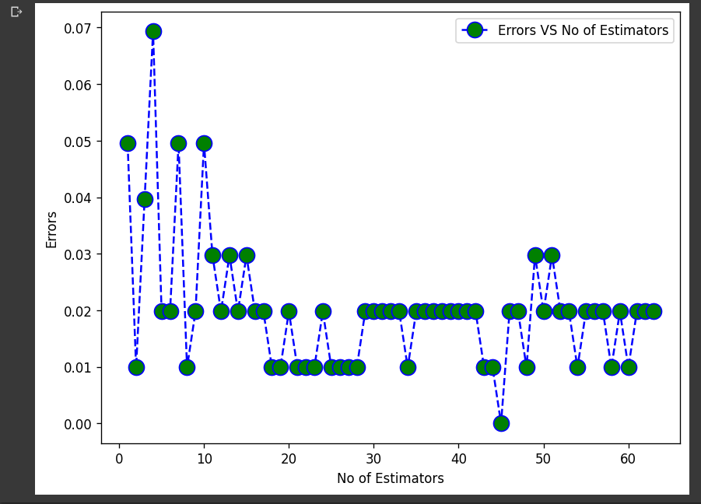

▣II.MISCLASSIFICATION VS NO OF ESTIMATORS

❶You'll notice we start off with quite a bit of noise in the misclassifications & eventually we start to settle off & we start to hit this essentially this point or threshold where it can no longer really improve performance. ❷You'll notice that at the beginning I'm performing almost like four (4) or five (5) miss classifications, but I start no matter how many trees I begin to add in.I'm basically just hitting either one or two classifications.So sometimes for a certain number of trees, I get a little lucky and I hit one (1) misclassification.But mostly it seems like we're starting to level off at two (2) Misclassifications, which is quite interesting because as Leo Berryman said, they don't over fit.What's going to happen is just going to reach this threshold limit of performance.So what this me is 200 is probably way too many trees and we could have just shortened it down to somewhere around maybe the 25 mark. You can see between 25 & 50, you're really just getting either one, two or three Misclassifications. So kind of interesting that plot this out in order to explore how many trees are really necessary. | ⇰REFERENCE (Website)-->Scikit Learn Regarding Thereotical & Conceptual Understanding of Various Param, Methods & Attributes For Extra Tree (ET) Classifiers | ⇰REFERENCE (Website)-->Udemy Regarding Usage of Elbow Methods in Polynomial Regression (While Choosing Polynomial degree)

 | ⇰REFERENCE (Website)-->Udemy Regarding Thereotical & Conceptual Understanding of Various Attributes for Random Forest Classifiers

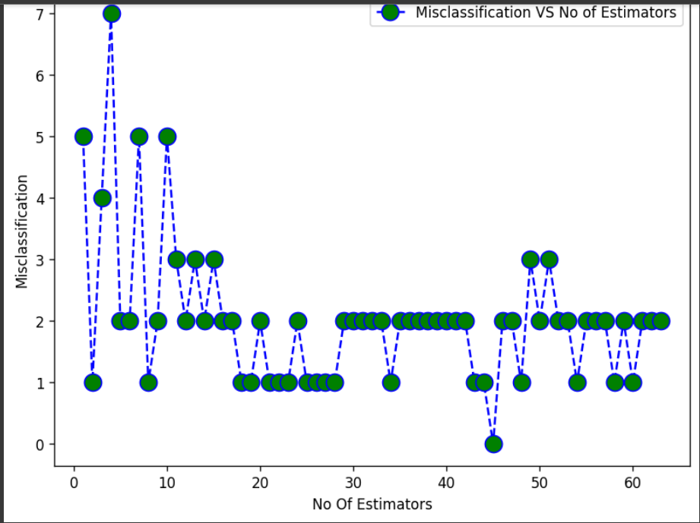 | ⇰REFERENCE (Website)-->1.12(iii) Google Colab ET (Extra Tree Classifiers) Regarding Practical Implementation of Matplotlib Plotting (Misclassification Vs No of Estimators)

6.TRAIN|TEST|SPLIT
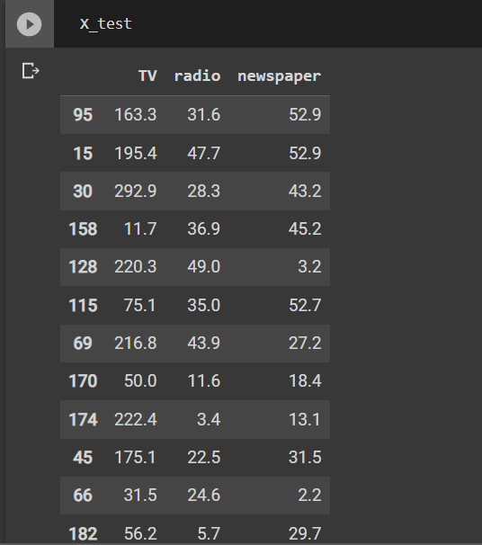
TRAIN | TEST | SPLIT

⇰REFERENCE (WEBSITE)-->Udemy Regarding Train_Test_Split
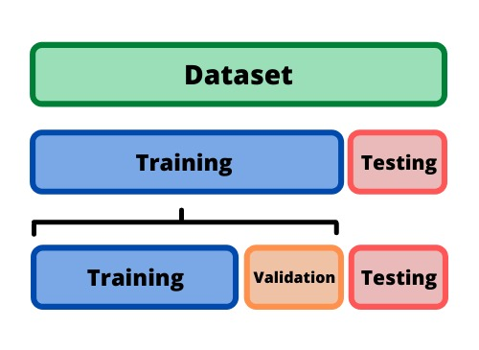 ⇰DEFINITION OF TRAIN-TEST-SPLIT →To fairly evaluate my model's performance, I don't want to evaluate it on the same data it was trained at. First we separates out the features and then it separates out the labels Further we'll separate out a training set and a test set Which Further Subdivide into 4 Components --> X train and Y train and then X test and y test the weights.

PARAMETERS FOR TRAIN | TEST | SPLIT | REFERENCE

⇰X_train→X_train Contains the Values of The Features (X1(Newspaper) ,X2(Radio) , X3(Television) This includes your all independent variables,these will be used to train the model, also as we have specified the test_size = 0.4, this means 60% of observations from your complete data will be used to train/fit the model and rest 40% will be used to test the model. | ⇰REFERENCE (Website)--> Stackoverflow Regarding TRAIN-TEST-SPLIT

⇰X_test→This is remaining 40% portion of the independent variables [Features(X1(Newspaper) ,X2(Radio) , X3(Television)] from the data which will not be used in the training phase and will be used to make predictions to test the accuracy of the model.
 | ⇰REFERENCE (Website)-> Stackoverflow Regarding TRAIN-TEST-SPLIT

⇰y_train→This is your dependent variable which needs to be predicted by this model, this includes category labels against your independent variables (Output =Total Sales), we need to specify our dependent variable while training/fitting the model.

 | ⇰REFERENCE (Website)-->(1.2) Google Colab Linear Regression Regarding Practical Implementation (Coding) of TRAIN | TEST SPLIT
⇰y_test→This data has category labels (Dependent Variable) (Output = Total Sales) for your test data, these labels will be used to test the accuracy between actual and predicted categories.

⇰test_size→test_size is the number that defines the size of the test set. It's very similar to train_size . You should provide either train_size or test_size . If neither is given, then the default share of the dataset that will be used for testing is 0.25 , or 25 percent. Especially in This Case test_size is 0.3 or 30% of Total Data Size.
 | ⇰REFERENCE (Website)-> Scikit Learn Regarding TRAIN-TESTS-SPLIT

⇰Random_state →Random_state is used to set the seed for the random generator so that we can ensure that the results that we get can be reproduced. Because of the nature of splitting the data in train and test is randomised you would get different data assigned to the train and test data unless you can control for the random factor. ↔Example-->For example, imagine you have numbers: 1,2,3,4,5 and you want to select two random numbers. Without using a random_state you would get different things: i.e. first 2,5 then 3,4 and so on.When you control the random generator by setting the random state to 0, 1 or another number, everyone would get the same random numbers generated: i.e random_state=1 then the random numbers are 1,3 and everyone who will pick two random numbers using random_state=1 from 1,2,3,4,5 will get the same two numbers as you: 1,3. →The random state hyperparameter is used to control any such randomness involved in machine learning models to get consistent results. We can use cross-validation to mitigate the effect of randomness involved in machine learning models. →Reason For Random State Usage--> ❶. We need t
 | ⇰REFERENCE (Website)-> Real Python Regarding TRAIN-TESTS-SPLIT

 | ⇰REFERENCE (Website)--> Geeks For Geeks Regarding Practical Impelentation (Coding) of TRAIN | TEST SPLIT

 | ⇰REFERENCE (Website)-> Scikit Learn Regarding TRAIN-TESTS-SPLIT

 | ⇰REFERENCE (Website)-> Real Python Regarding TRAIN-TESTS-SPLIT

⇰Shuffle Split→shuffle is the Boolean object (True by default) that focus on whether to shuffle the dataset before applying the split. →Reason For Random State Usage--> ❶The other reason that we have a random state here is because what Sk learn is going to do when it calls train test split is it's actually going to shuffle the arrays first.So you'll notice here that it actually is calling a shuffle split.That's why main reason it's calling a shuffle split. ❷If we See almost any Data set We can tell that more or less my data appears to be in no sort of sorted order.But for other data sets, it's not uncommon that when you read it in, it's actually already sorted for you. What we don't want to do is if our data set is in some sort of order or sorted is grab the first 70% of the rows for the train set and then the last 30% for the test set. Instead, we want to make sure that we shuffle everything first and then grab the 70% and 30%.That way I don't have an accidentally ordered data set and the test set happens to be all the highest sales and the training set is the lowest 70% of sales. That could be really dangerous as far as fairly evaluating and training your model. So instead we just alleviate any issues of that by shuffling the data set first.

 | ⇰REFERENCE (Website)-->(1.2) Google Colab Linear Regression Regarding Practical Implementation (Coding) of TRAIN | TEST SPLIT

 | ⇰REFERENCE (Website)-->(1.3) Google Colab (Polynomial Regression) Regarding Practical Implementation (Coding) of TRAIN | TEST SPLIT

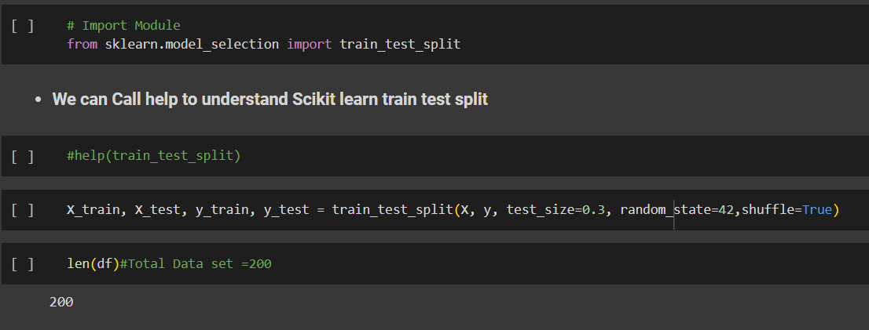 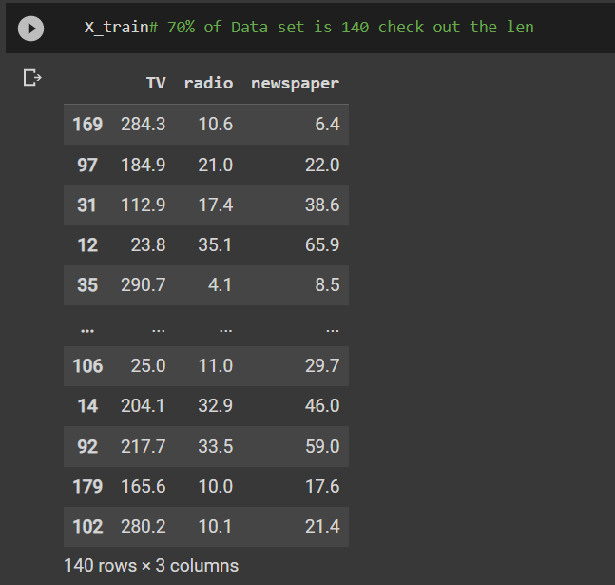 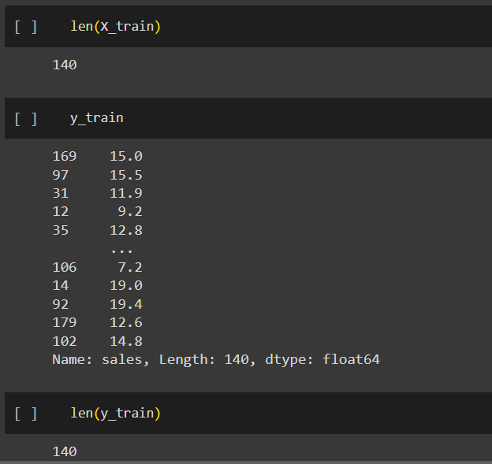 | ⇰REFERENCE (Website)-->(1.2) Google Colab Linear Regression Regarding Practical Implementation (Coding) of TRAIN | TEST SPLIT

 | ⇰REFERENCE (Website)-->(1.3) Google Colab (Polynomial Regression) Regarding Practical Implementation (Coding) of TRAIN | TEST SPLIT

